Pivot_tables.xlsx
State Wise Coffee Expenses

Sates | Sum of Monthly Coffee Expenses INR
Andhra Pradesh | ₹52,964 |  |  |  |  |  |  |  |  |  | States | Expenses
Delhi | ₹51,759 |  |  |  |  |  |  |  |  |  | Andhra Pradesh | ₹52,964
Gujarat | ₹52,988 |  |  |  |  |  |  |  |  |  | Delhi | ₹51,759
Karnataka | ₹95,822 |  |  |  |  |  |  |  |  |  | Gujarat | ₹52,988
Kerala | ₹55,926 |  |  |  |  |  |  |  |  |  | Karnataka | ₹95,822
Madhya Pradesh | ₹40,072 |  |  |  |  |  |  |  |  |  | Kerala | ₹55,926
Maharashtra | ₹149,035 |  |  |  |  |  |  |  |  |  | Madhya Pradesh | ₹40,072
Rajasthan | ₹43,759 |  |  |  |  |  |  |  |  |  | Maharashtra | ₹149,035
Tamil Nadu | ₹113,223 |  |  |  |  |  |  |  |  |  | Rajasthan | ₹43,759
Telangana | ₹46,660 |  |  |  |  |  |  |  |  |  | Tamil Nadu | ₹113,223
West Bengal | ₹39,715 |  |  |  |  |  |  |  |  |  | Telangana | ₹46,660
Grand Total | ₹741,923 |  |  |  |  |  |  |  |  |  | West Bengal | ₹39,715

Coffee intake vs spending by Proffesion (Daily)

Coffee intake vs spending by Proffesion (Daily)
Profession | Average of cups_per_day | Sum of average_spend_per_month_inr
Bank Employee | 1.58 | 73150
Business Owner | 1.59 | 64608
Engineer | 1.56 | 80132
Freelancer | 1.59 | 75984
Government Employee | 1.45 | 82311
Healthcare Worker | 1.51 | 67500
IT Professional | 1.56 | 68151
Sales Executive | 1.59 | 71881
Student | 1.50 | 79751
Teacher | 1.39 | 78455
Grand Total | 1.53 | 741923

Favourite Coffee Type
Favourite Coffee Type

Row Labels | Count of customer_id |  | Coffee | Count | Rank | Top 1 | Top 2 | Top 3 | Top 4 | Others
Filter Coffee | 211 |  | Filter Coffee | 211 | 1 | 211 | #N/A | #N/A | #N/A | #N/A
Cold Brew | 186 |  | Cold Brew | 186 | 2 | #N/A | 186 | #N/A | #N/A | #N/A
Mocha | 103 |  | Mocha | 103 | 3 | #N/A | #N/A | 103 | #N/A | #N/A
Espresso | 103 |  | Espresso | 103 | 3 | #N/A | #N/A | 103 | #N/A | #N/A
Latte | 102 |  | Latte | 102 | 5 | #N/A | #N/A | #N/A | #N/A | 102
Americano | 100 |  | Americano | 100 | 6 | #N/A | #N/A | #N/A | #N/A | 100
Instant Coffee | 99 |  | Instant Coffee | 99 | 7 | #N/A | #N/A | #N/A | #N/A | 99
Cappuccino | 96 |  | Cappuccino | 96 | 8 | #N/A | #N/A | #N/A | #N/A | 96

Popular Coffee Brands
Favourite Coffee Type
Popular Coffee Brand

Row Labels | Count of customer_id
Continental Coffee | 86
Blue Tokai | 99
Tata Coffee | 102
Sleepy Owl | 110
Bru | 230
NesCafa | 373

Prefered Time
Preferred Time
Row Labels | Sum of cups_per_day
afternoon | 141
evening | 255
morning | 534
night | 598
Grand Total | 1528

Consumption Location

Consumption Location
Row Labels | Count of customer_id
Cafa | 192
home | 482
office | 326
Grand Total | 1000

Metro vs Teir city coffee Trends

Metro vs Teir City coffee trends
Row Labels | Count of customer_id
metro | 391
tier2 | 336
tier3 | 273
Grand Total | 1000

Health-Conscious coffee trend (Agewise)

Health-Conscious Coffee trends (Agewise)
Count of customer_id | Column Labels
Row Labels | low caffeine | regular | sugar-free | vegan | Grand Total
18-24 | 59 | 74 | 65 | 65 | 263
25-34 | 78 | 72 | 77 | 61 | 288
35-44 | 54 | 57 | 54 | 46 | 211
45-54 | 32 | 36 | 47 | 35 | 150
55+ | 23 | 18 | 18 | 29 | 88
Grand Total | 246 | 257 | 261 | 236 | 1000

 | Values for Display (KPI's)
 | Cups per Day | Total Monthly Expenses |  | Top Coffee Choice
 | 1528 | ₹741,923 |  | Filter Coffee (21%)

Dashboard
Coffee Consumption Analysis
1528
₹741,923
Filter Coffee (21%)
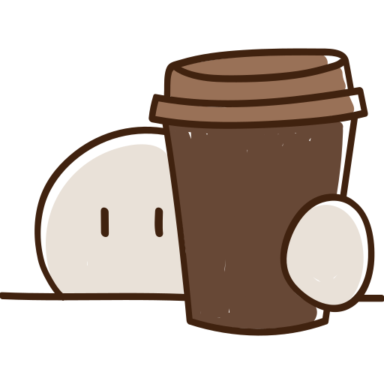
Cups per Day
Total Monthly Expenses
Top Coffee Choice

Coffee intake vs spending by Proffesion (Daily)
 | Average of cups_per_day | Sum of average_spend_per_month_inr
Bank Employee | 1.58 | 73150
Business Owner | 1.59 | 64608
Engineer | 1.56 | 80132
Freelancer | 1.59 | 75984
Government Employee | 1.45 | 82311
Healthcare Worker | 1.51 | 67500
IT Professional | 1.56 | 68151
Sales Executive | 1.59 | 71881
Student | 1.50 | 79751
Teacher | 1.39 | 78455
Metro vs Teir City coffee trends
 | Total
metro | 391
tier2 | 336
tier3 | 273

Favourite Coffee Type
 | Total
Filter Coffee | 211
Cold Brew | 186
Mocha | 103
Espresso | 103
Latte | 102
Americano | 100
Instant Coffee | 99
Cappuccino | 96
Consumption Location
 | Total
Cafa | 192
home | 482
office | 326



Preferred Time
 | Total
afternoon | 141
evening | 255
morning | 534
night | 598
Health-Conscious Coffee trends (Agewise)
 | low caffeine | regular | sugar-free | vegan
18-24 | 59 | 74 | 65 | 65
25-34 | 78 | 72 | 77 | 61
35-44 | 54 | 57 | 54 | 46
45-54 | 32 | 36 | 47 | 35
55+ | 23 | 18 | 18 | 29
Popular Coffee Brands
 | Total
Continental Coffee | 86
Blue Tokai | 99
Tata Coffee | 102
Sleepy Owl | 110
Bru | 230
NesCafa | 373

